Intrstructions
How to use these notes:
Objectives
1. A resource for you
2. Communication tool between you and me
3.

Quizes and In Class Assignments |  | 15 |  | Unoffical Grading Tracker
Project, HW |  | 45
Midterm Exam |  | 15
Final Exam |  | 25
Total |  | 100

 | Quiz Item | Quizes/InClass Score | HW Item | Project/HW | MT item | Midterm | Final Item | Final | Total
Percentage |  | 0.15 |  | 0.45 |  | 0.15 |  | 0.25 | 1
 | Q1 | 100 | HW1 | 100 |  | 100 |  | 100
 |  | 100 |  | 100
 |  | 100 |  | 100
 |  | 100

Average |  | 100 |  | 100 |  | 100 |  | 100
Grade Pts |  | 15 |  | 45 |  | 15 |  | 25 | 100

Week1Notes
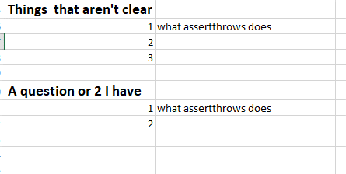
Name:

Tuesday | Main Points of the Class | Main things I want to remember (syntax, notes, etc) | Class assignment and activities (Write down things you did and things that are due)
1 |  |  | Recreate a web page using WS from scratch
2
3

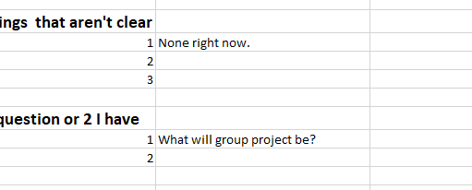
Thursday | Main Points of the Class | Main things I want to remember (syntax, notes, etc)
1
2
3

Things that aren't clear
1
2
3

A question or 2 I have
1
2

Week2Notes
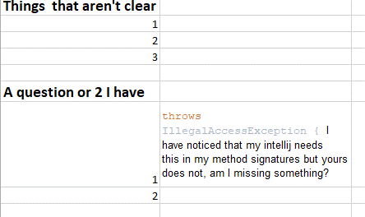
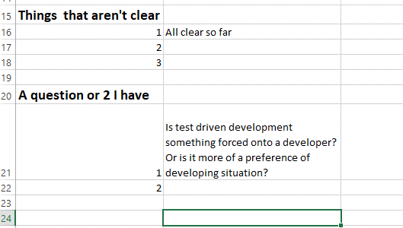
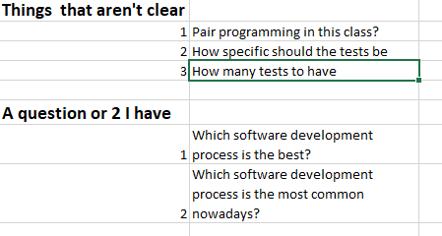
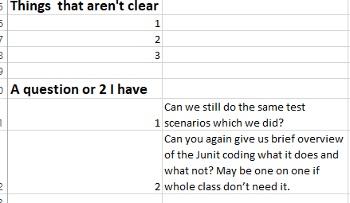
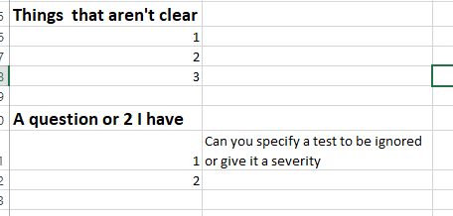
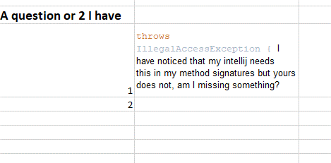
Name:

Tuesday | Main Points of the Class | Main things I want to remember (syntax, notes, etc) | Class assignment and activities (Write down things you did and things that are due) | Todo
1 | 04 Intro to JUNIT JUNIT Asserts |  |  | Recordings
2 | O2VV_verification |  |  | code
3 |  |  |  | Slides

Thursday | Main Points of the Class | Main things I want to remember (syntax, notes, etc)
1 | Software Modles
2 | Project formation
3 | TDD with examples … Junit classes
 | Sales Example

Things that aren't clear
1
2
3

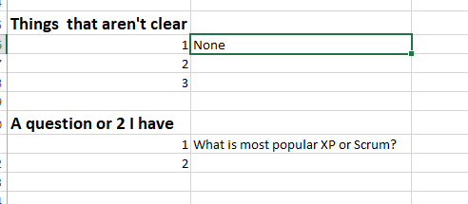
A question or 2 I have
1
2

Week4Notes
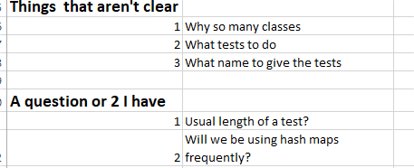
Name:

Tuesday | Main Points of the Class | Main things I want to remember (syntax, notes, etc) | Class assignment and activities (Write down things you did and things that are due)
1
2
3

Thursday | Main Points of the Class | Main things I want to remember (syntax, notes, etc)
1
2
3

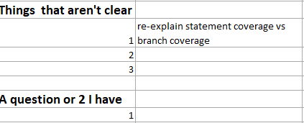

Things that aren't clear
1
2
3

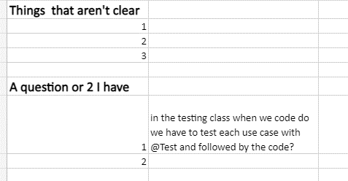
A question or 2 I have
1
2

Week5Notes
Name:

Tuesday | Main Points of the Class | Main things I want to remember (syntax, notes, etc) | Class assignment and activities (Write down things you did and things that are due)
1
2
3

Thursday | Main Points of the Class | Main things I want to remember (syntax, notes, etc)
1
2
3

Things that aren't clear
1
2
3

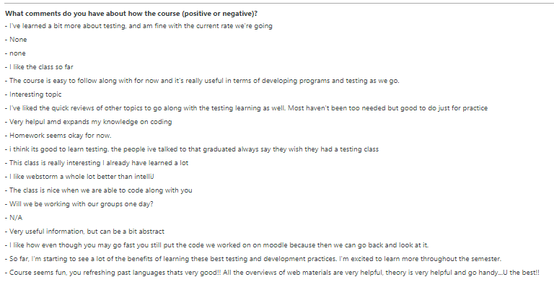
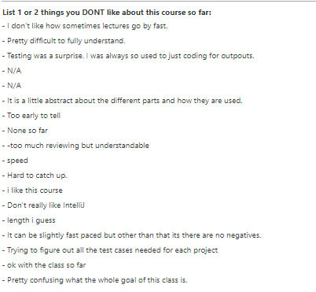
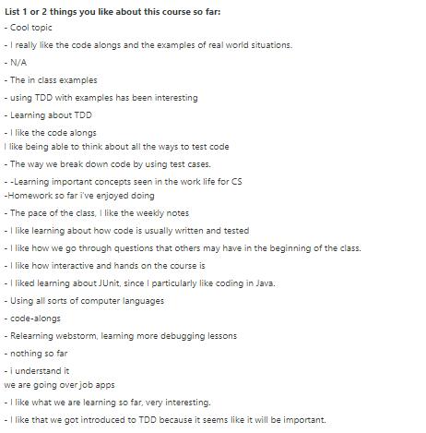
A question or 2 I have
1
2

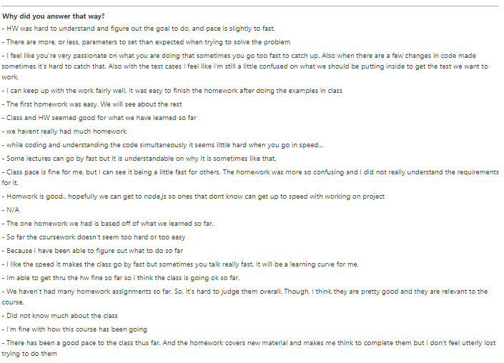

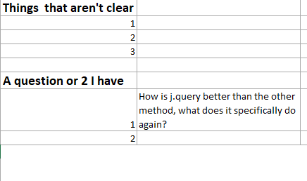

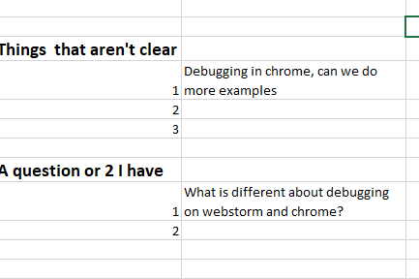

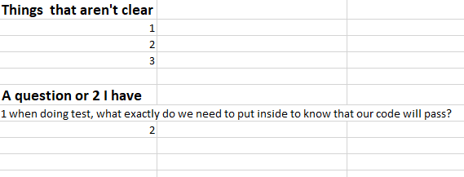
<!DOCTYPE html> <html lang="en"> <head> <meta charset="UTF-8"> <title>Title</title> <script src="https://code.jquery.com/jquery-3.5.1.min.js" integrity="sha256-9/aliU8dGd2tb6OSsuzixeV4y/faTqgFtohetphbbj0=" crossorigin="anonymous"></script> <script src="js/jquery1.js"></script> </head> <body> <div id="id1"> BeanHead </div> <input type="text" id="t1"> <select name="foo" id="bar"> <option value="1"> One </option> <option value="2"> Two </option> <option value="3"> Three </option> </select> <button id="button1" onclick="myFunct()"> Click me</button> </body> </html>

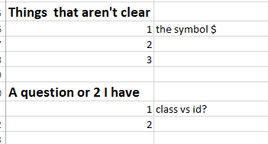

function myFunct(){ alert("1"); var id = document.getElementById("t1"); console.log( id ); }

Week6Notes
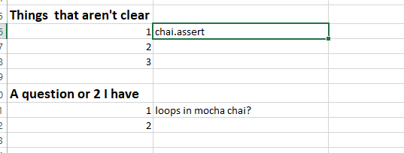
Name:

Tuesday | Main Points of the Class | Main things I want to remember (syntax, notes, etc) | Class assignment and activities (Write down things you did and things that are due)
1
2
3

Thursday | Main Points of the Class | Main things I want to remember (syntax, notes, etc)
1
2
3

Things that aren't clear
1
2
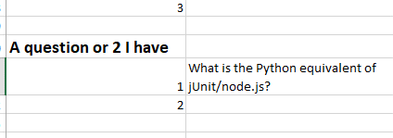
3

A question or 2 I have
1
2

Week7Notes
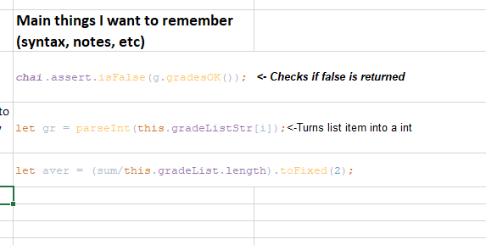
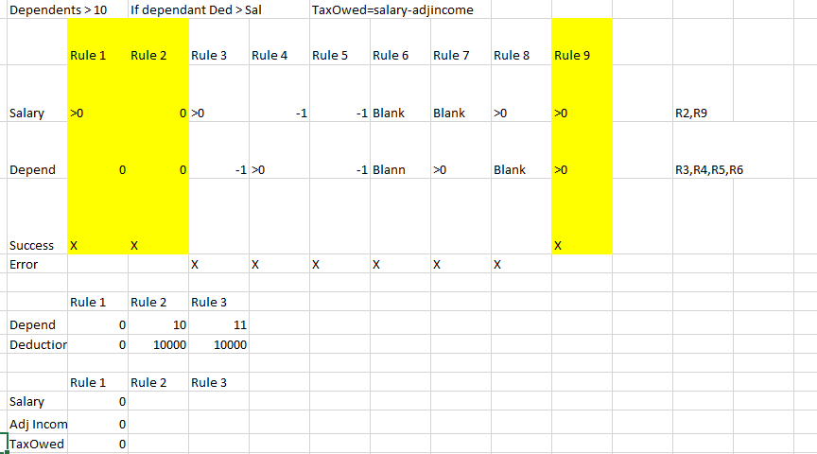
Name:

Tuesday | Main Points of the Class | Main things I want to remember (syntax, notes, etc) | Class assignment and activities (Write down things you did and things that are due)
1
2
3

Thursday | Main Points of the Class | Main things I want to remember (syntax, notes, etc)
1
2
3

Things that aren't clear
1
2
3
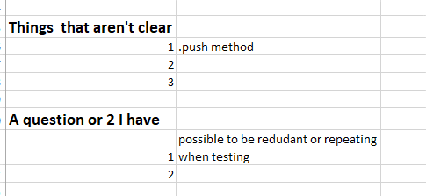
A question or 2 I have
1
2

Week12Notes
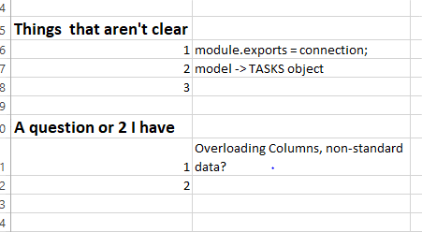
Name:

Tuesday | Main Points of the Class | Main things I want to remember (syntax, notes, etc) | Class assignment and activities (Write down things you did and things that are due)
1
2
3

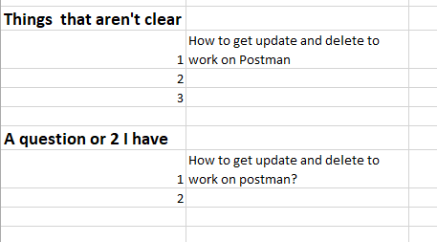
Thursday | Main Points of the Class | Main things I want to remember (syntax, notes, etc)
1
2
3

Things that aren't clear
1
2
3

A question or 2 I have
1
2

